Specification
 |  |  |  |  |  |  |  |  |  |  |  |  |  |  |  |  | 1090
ARTICLE | IMAGE 1 | IMAGE 2 | IMAGE 3 | IMAGE 4 | FULL ARTICLE | COLOR | COLOR DESCRIPTION | PRODUCT NAME | SUPPL. DESCRIPTION | COMPOSITION 1 | PARENT GROUP | GENDER | BRAND | MADE IN | WHS | RRP | QTY | 5- | 6- | 7- | 8- | 9- | 10- | 11- | 12- | 5 | 6 | 7 | 8 | 9 | 10 | 11 | 12 | 13 | 14 | 15
M860C12 |  |  |  | 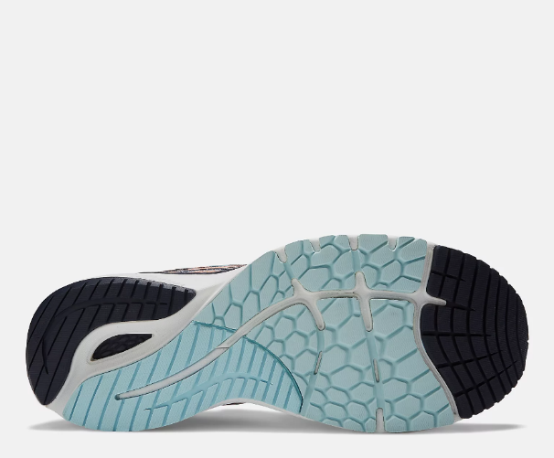 | M860C12VIBRANT ORANGE | VIBRANT ORANGE | VIBRANT ORANGE | SNEAKERS | FOOTWEAR | SYNTHETIC TEXTILE | ADULT | MALE | NEW BALANCE | VIETNAM | €75.00 | €150.00 | 9 |  |  |  |  |  |  | 3 |  |  |  |  |  |  |  |  | 6
M880E12 |  |  |  | 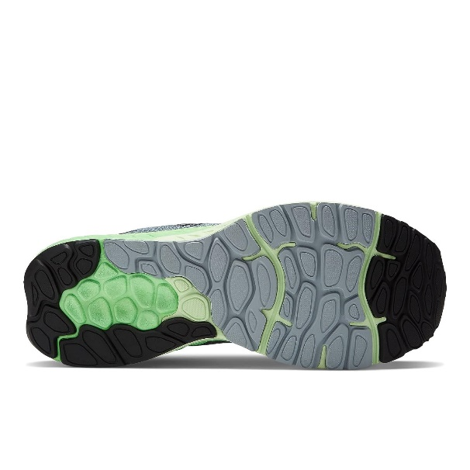 | M880E12OCEAN GREY | OCEAN GREY | OCEAN GREY | SNEAKERS | FOOTWEAR | SYNTHETIC TEXTILE | ADULT | MALE | NEW BALANCE | VIETNAM | €75.00 | €150.00 | 57 |  |  |  | 8 | 13 | 5 |  |  |  |  |  | 7 | 16 |  | 6 | 2
M880T12 |  |  |  |  | M880T12BLACK | BLACK | BLACK | SNEAKERS | FOOTWEAR | SYNTHETIC TEXTILE | ADULT | MALE | NEW BALANCE | VIETNAM | €80.00 | €160.00 | 90 |  |  | 3 | 4 | 15 | 7 | 9 | 3 |  |  |  | 3 | 6 | 16 | 10 | 9 | 5
ML574OMA |  |  |  |  | ML574OMACOGNAC BROWN | COGNAC BROWN | COGNAC BROWN | SNEAKERS | SCARPA LIFESTYLE UOMO LEATHER COGNAC BROWN | LEATHER | ADULT | MALE | NEW BALANCE | INDONESIA | €60.00 | €120.00 | 26 |  |  |  | 2 | 3 | 2 | 2 |  |  |  |  | 2 | 2 | 2 | 3 |  | 2 | 4 | 2
ML574OMC |  |  |  |  | ML574OMCBLUE/BROWN | BLUE/BROWN | BLUE/BROWN | SNEAKERS | SCARPA LIFESTYLE UOMO LEATHER BLUE/BROWN | LEATHER | ADULT | MALE | NEW BALANCE | INDONESIA | €60.00 | €120.00 | 60 |  |  |  | 1 | 3 | 2 | 8 |  |  |  |  | 2 | 1 | 2 | 2 | 9 | 19 | 11
ML574SNA |  |  |  |  | ML574SNAWHITE | WHITE | WHITE | SNEAKERS | SCARPA LIFESTYLE UOMO - LEATHER - WHITE | LEATHER | ADULT | MALE | NEW BALANCE | INDONESIA | €55.00 | €110.00 | 50 | 14 |  |  |  |  |  |  |  |  | 17 | 7 |  | 12
MROAVRN2 | 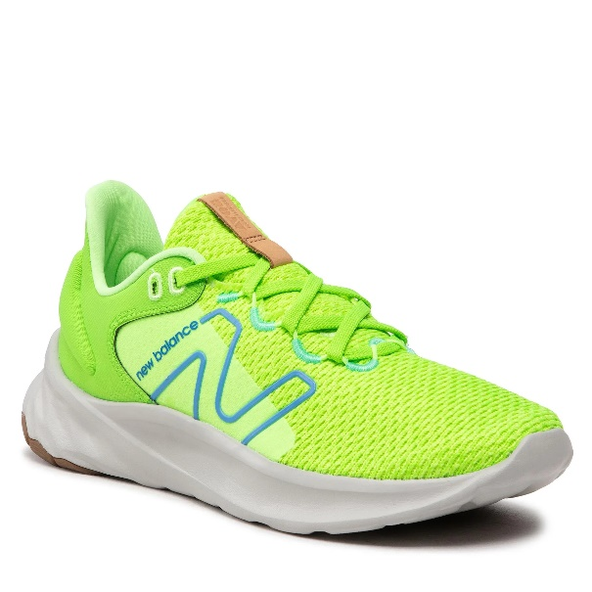 | 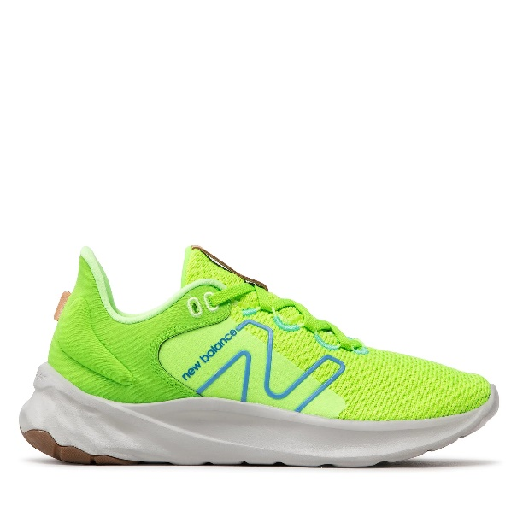 | 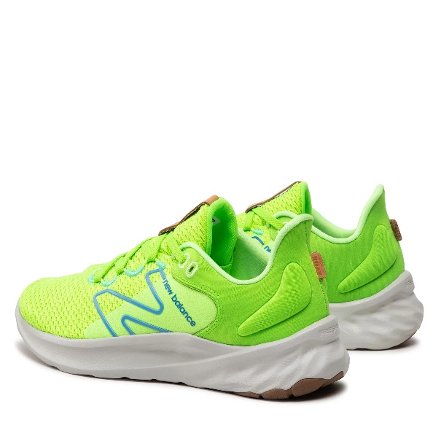 | 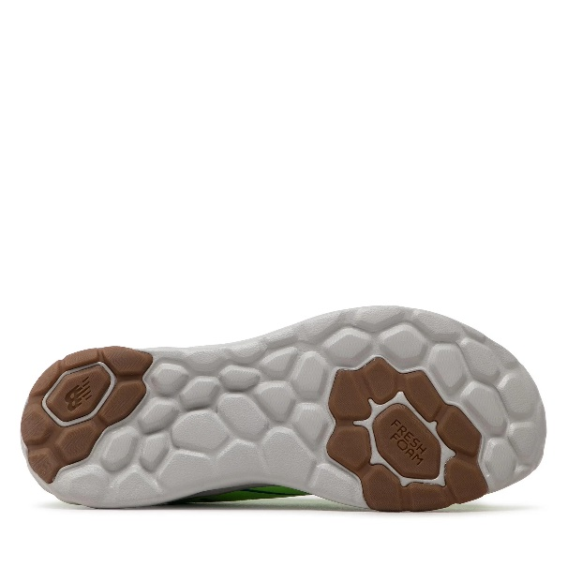 | MROAVRN2BLACK/BLEACHED LIME GLO | BLACK/BLEACHED LIME GLO | BLACK/BLEACHED LIME GLO | SNEAKERS | FOOTWEAR | SYNTHETIC TEXTILE | ADULT | MALE | NEW BALANCE | VIETNAM | €50.00 | €100.00 | 176 |  |  |  |  | 22 | 9 | 16 |  |  |  | 6 |  | 13 | 25 | 9 | 16 | 20 | 20 | 20
U574TZ2 |  |  |  |  | U574TZ2HARVEST GOLD | HARVEST GOLD | HARVEST GOLD | SNEAKERS | SCARPA LIFESTYLE UOMO SUEDE/RIPSTOP - HARVEST GOLD | SUEDE/RIPSTOP | ADULT | MALE | NEW BALANCE | VIETNAM | €47.50 | €100.00 | 22 |  |  |  | 6 |  |  |  |  |  |  |  | 2 |  |  |  | 14
W860B13 |  |  |  |  | W860B13BLUE | BLUE | BLUE | SNEAKERS | FOOTWEAR | SYNTHETIC TEXTILE | ADULT | FEMALE | NEW BALANCE | VIETNAM | €80.00 | €160.00 | 45 |  | 4 |  | 10 | 8 |  |  |  |  |  |  |  | 14 | 9
W880P12 |  |  |  |  | W880P12VIBRANT PINK B | VIBRANT PINK B | VIBRANT PINK B | SNEAKERS | FOOTWEAR | SYNTHETIC TEXTILE | ADULT | FEMALE | NEW BALANCE | VIETNAM | €75.00 | €150.00 | 7 |  |  |  |  |  |  |  |  |  |  | 7
W880S12 |  |  |  |  | W880S12WHITE | WHITE | WHITE | SNEAKERS | FOOTWEAR | SYNTHETIC TEXTILE | ADULT | FEMALE | NEW BALANCE | VIETNAM | €75.00 | €150.00 | 110 |  |  | 17 | 28 | 9 |  |  |  |  |  | 9 | 27 | 20
WL574RA2 |  |  |  |  | WL574RA2RAW AMETHYST | RAW AMETHYST | RAW AMETHYST | SNEAKERS | SCARPA LIFESTYLE DONNA SUEDE/TEXTILE - RAW AMETHYST | SUEDE/TEXTILE | ADULT | FEMALE | NEW BALANCE | CHINA | €52.50 | €110.00 | 22 |  |  | 22
WTHIERS7 |  |  |  |  | WTHIERS7GREY | GREY | GREY | SNEAKERS | FOOTWEAR | SYNTHETIC TEXTILE | ADULT | FEMALE | NEW BALANCE | VIETNAM | €80.00 | €160.00 | 112 |  |  | 29 | 28 | 11 |  |  |  |  |  |  | 36 | 8
CT302LB |  |  |  |  | CT302LBBLACK | BLACK | BLACK | SNEAKERS | FOOTWEAR | LEATHER/TEXTILE | ADULT | UNISEX | NEW BALANCE | CHINA | €55.00 | €110.00 | 30 | 4 |  |  |  |  |  |  |  | 16 | 1 |  |  | 1 |  |  | 8
CT574LFF |  |  |  |  | CT574LFFWHITE/RED | WHITE/RED | WHITE/RED | SNEAKERS | SCARPA LIFESTYLE UNISEX - MTZ - LEATHER / TEXTILE - WHITE/RED | LEATHER/TEXTILE | ADULT | UNISEX | NEW BALANCE | INDONESIA | €45.00 | €90.00 | 12 |  |  |  |  |  |  |  |  |  |  |  |  |  |  |  | 7 | 5
ML725X |  |  |  |  | ML725XBLACK COFFEE D | BLACK COFFEE D | BLACK COFFEE D | SNEAKERS | FOOTWEAR | SYTHETIC/MESH | ADULT | UNISEX | NEW BALANCE | VIETNAM | €65.00 | €130.00 | 49 |  |  | 14 | 2 | 6 |  |  |  |  |  |  | 2 |  | 14 |  | 11
U574EZ2 |  |  |  |  | U574EZ2BLUE NAVY | BLUE NAVY | NAVY/BLUE | SNEAKERS | SCARPA LIFESTYLE UNISEX - MTZ - LEATHER / TEXTILE - BLUE NAVY | UPPER: 100% SUEDE/100% TEXTILE | ADULT | UNISEX | NEW BALANCE | INDONESIA | €55.00 | €110.00 | 112 |  |  |  | 15 | 20 | 17 |  |  |  |  |  | 10 | 15 | 20 | 15
U574HBB |  |  |  |  | U574HBBBROWN | BROWN | BROWN | SNEAKERS | SCARPA LIFESTYLE UNISEX - LEATHER - BROWN | LEATHER | ADULT | UNISEX | NEW BALANCE | VIETNAM | €65.00 | €130.00 | 71 |  |  |  |  | 19 |  |  |  |  |  |  |  | 21 |  | 7 | 20 | 4
U574HMZ |  |  |  |  | U574HMZBLACK | BLACK | BLACK | SNEAKERS | SCARPA LIFESTYLE UNISEX - LEATHER - BLACK | LEATHER | ADULT | UNISEX | NEW BALANCE | VIETNAM | €65.00 | €130.00 | 30 |  |  |  |  |  |  |  |  |  |  |  |  | 6 |  |  | 13 | 5 | 3 | 3

